Sheet1
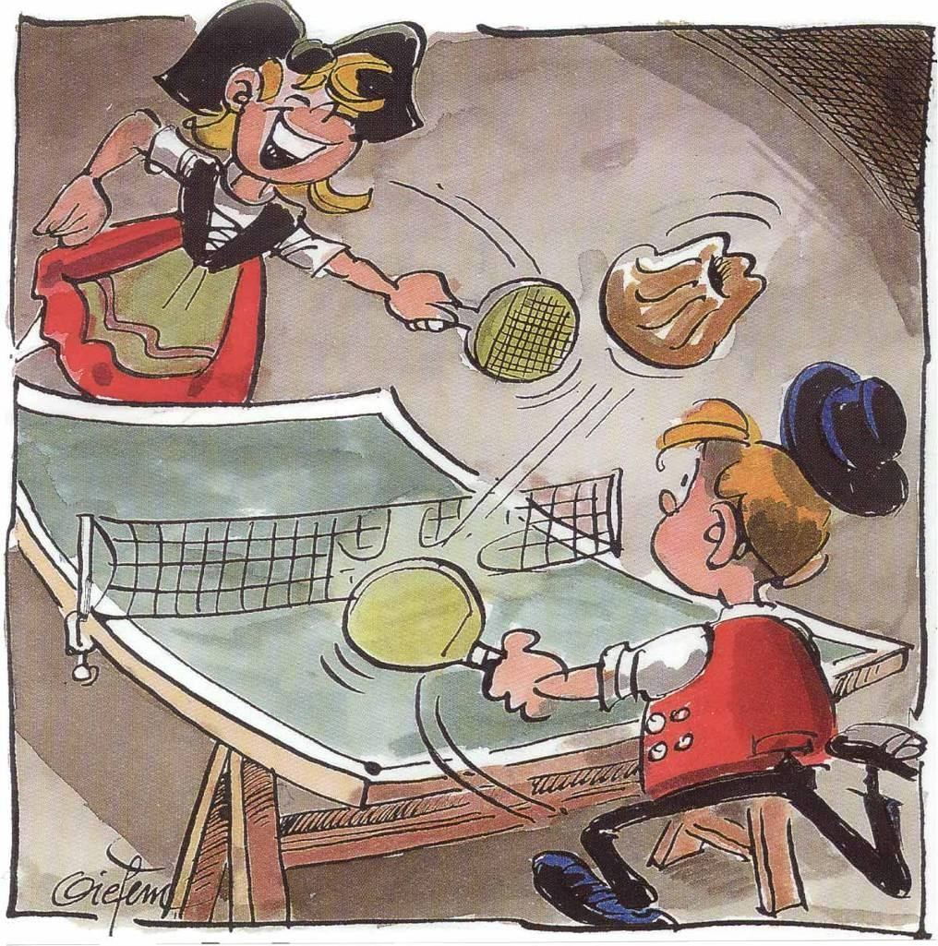
 |  |  |  | 3rd Youth International Table Tennis Tournament MULHOUSE - France

 |  |  |  | 29th February - 1st March 2020

REGISTRATION FORM

Name of team(delegation)
Contact Person
Mobile/Phone
E-mail
Address
Country

N° | Familly Name |  | Given Name | Sex | Birthdate | Player/Coach | Category | Accomodation |  | TOTAL
1
2
3
4
5
6
7
8
9
10
11
12
13
14
15
16
17
18
19
20
21
22
23
24
25
 |  |  |  |  |  | TOTAL |  |  | 0 €

Legend
OPTION 1 - 75€ |  | including: Tournament Fee,Saturday Dinner,Saturday Hotel,Sunday Breakfast,Sunday Lunch in 2,3,4+ bed room
OPTION 2 - 87€ |  | including: Tournament Fee,Saturday Lunch,Saturday Dinner,Saturday Hotel,Sunday Breakfast,Sunday Lunch in 2,3,4+ bed room
OPTION 3 - 117€ |  | including: Tournament Fee,Hotel Friday,Saturday Breakfast,Saturday Lunch,Saturday Dinner,Saturday Hotel,Sunday Breakfast,Sunday Lunch in 2,3,4+ bed room
OPTION 4 - 100€ |  | including: Tournament Fee,Saturday Dinner,Saturday Hotel,Sunday Breakfast,Sunday Lunch in Single Room
OPTION 5 - 112€ |  | including: Tournament Fee,Saturday Lunch,Saturday Dinner,Saturday Hotel,Sunday Breakfast,Sunday Lunch in Single Room
OPTION 6 - 167€ |  | including: Tournament Fee,Hotel Friday,Saturday Breakfast,Saturday Lunch,Saturday Dinner,Saturday Hotel,Sunday Breakfast,Sunday Lunch in Single Room
OPTION 7 - 30€ |  | including TOURNAMENT FEE ONLY

